Metrics and Plots
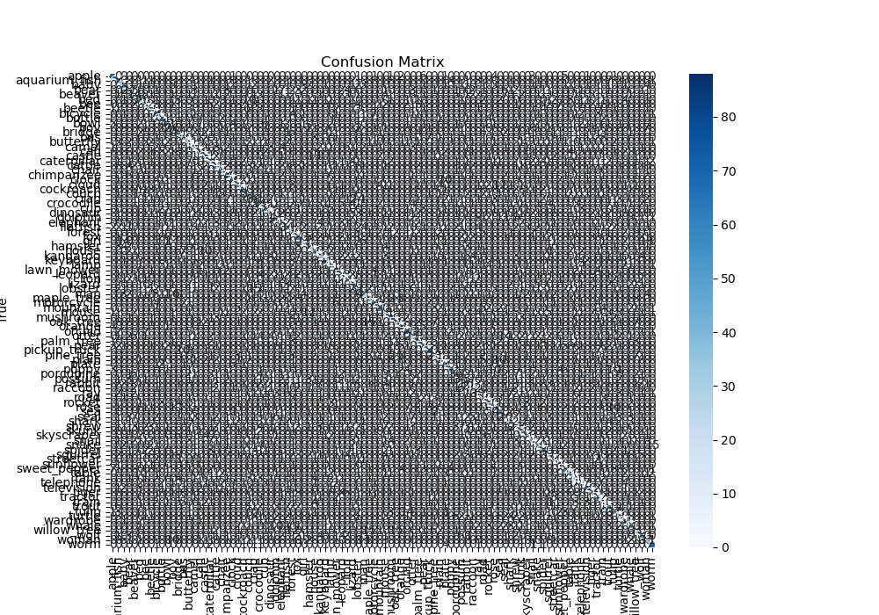
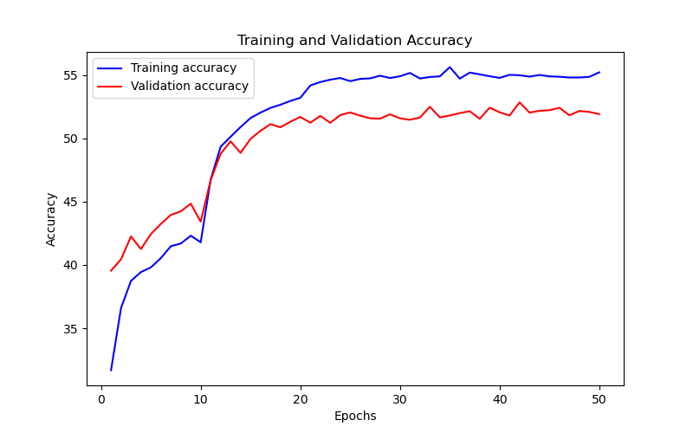
Epoch | Train Accuracy | Train Loss | Validation Accuracy | Validation Loss
1 | 31.69 | 2.805 | 39.55 | 2.738
2 | 36.59 | 2.654 | 40.44 | 2.643
3 | 38.74 | 2.593 | 42.25 | 8.04
4 | 39.44 | 2.57 | 41.26 | 2.808
5 | 39.81 | 2.584 | 42.44 | 2.599
6 | 40.54 | 2.532 | 43.24 | 2.627
7 | 41.48 | 2.48 | 43.95 | 2.603
8 | 41.69 | 2.471 | 44.23 | 2.652
9 | 42.31 | 2.45 | 44.84 | 2.576
10 | 41.79 | 2.48 | 43.42 | 2.66
11 | 46.75 | 2.096 | 46.7 | 2.344
12 | 49.34 | 1.979 | 48.78 | 2.211
13 | 50.12 | 1.932 | 49.76 | 2.161
14 | 50.89 | 1.888 | 48.85 | 2.133
15 | 51.6 | 1.843 | 49.95 | 2.074
16 | 52.03 | 1.832 | 50.59 | 2.038
17 | 52.4 | 1.805 | 51.12 | 2.001
18 | 52.65 | 1.803 | 50.87 | 1.997
19 | 52.95 | 1.774 | 51.31 | 1.954
20 | 53.2 | 1.747 | 51.69 | 1.959
21 | 54.17 | 1.702 | 51.23 | 1.955
22 | 54.44 | 1.68 | 51.77 | 1.951
23 | 54.63 | 1.701 | 51.22 | 1.955
24 | 54.76 | 1.71 | 51.83 | 1.944
25 | 54.51 | 1.686 | 52.04 | 1.919
26 | 54.69 | 1.689 | 51.79 | 2.263
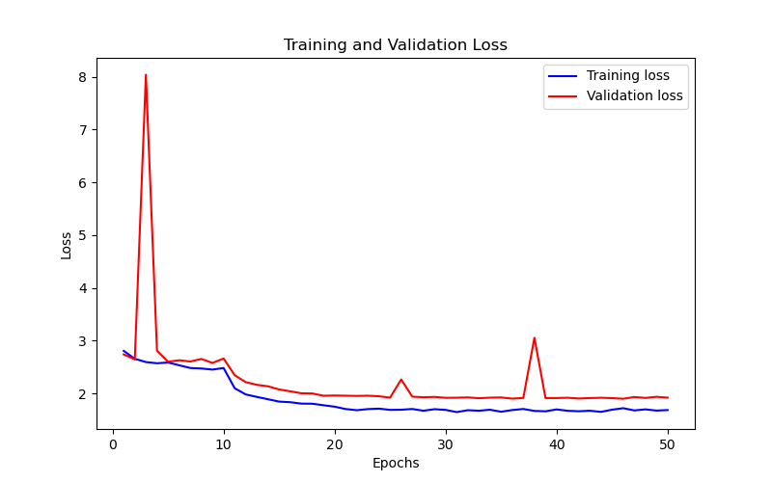
27 | 54.73 | 1.703 | 51.58 | 1.937
28 | 54.94 | 1.67 | 51.55 | 1.925
29 | 54.76 | 1.699 | 51.89 | 1.932
30 | 54.9 | 1.686 | 51.58 | 1.915
31 | 55.16 | 1.644 | 51.46 | 1.917
32 | 54.72 | 1.68 | 51.64 | 1.923
33 | 54.84 | 1.67 | 52.49 | 1.907
34 | 54.89 | 1.689 | 51.65 | 1.918
35 | 55.62 | 1.651 | 51.8 | 1.922
36 | 54.71 | 1.683 | 51.99 | 1.9
37 | 55.19 | 1.703 | 52.14 | 1.912
38 | 55.05 | 1.667 | 51.54 | 3.053
39 | 54.9 | 1.659 | 52.42 | 1.91
40 | 54.77 | 1.695 | 52.05 | 1.911
41 | 55.01 | 1.669 | 51.8 | 1.916
42 | 54.98 | 1.66 | 52.84 | 1.902
43 | 54.87 | 1.67 | 52.03 | 1.91
44 | 55 | 1.648 | 52.17 | 1.916
45 | 54.89 | 1.69 | 52.22 | 1.909
46 | 54.86 | 1.718 | 52.41 | 1.897
47 | 54.8 | 1.676 | 51.82 | 1.93
48 | 54.8 | 1.696 | 52.16 | 1.913
49 | 54.85 | 1.673 | 52.08 | 1.934
50 | 55.21 | 1.683 | 51.91 | 1.918

